Sheet1
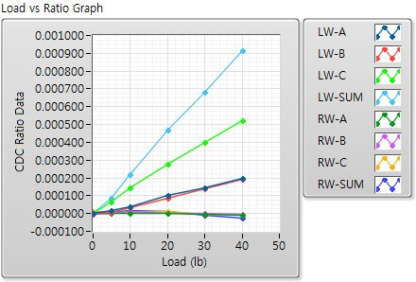
 | Mark10 Gauge(lb) | Left Wing-A | Left Wing-B | Left Wing-C | Left Wing-SUM | Right Wing-A | Right Wing-B | Right Wing-C | Right Wing-SUM
Offset (Init) | 0 | 0.99708869 | 0.99965487 | 0.99898758 | - | 1.00735269 | 1.00970044 | 1.00048912 | -
Offset (Load) | 0.1 | 0.99709923 | 0.99966483 | 0.99907532 | - | 1.00734491 | 1.00969722 | 1.00048635 | -
Init(1)-70lb | 34.9 | 0.00015051 | 0.00010271 | 0.00054159 | 0.00079482 | -0.00000033 | 0.00000787 | 0.00000947 | 0.000017
Init(2)-140lb | 70.1 | 0.00033333 | 0.00029478 | 0.00110407 | 0.00173218 | -0.00001044 | -0.00000529 | 0.00000765 | -0.00000808
Load(1)-0lb | 0.1 | 0.00000255 | -0.00000091 | -0.00000019 | 0.00000145 | -0.00000019 | -0.00000551 | 0.00001175 | 0.00000606
Load(2)-10lb | 4.9 | 0.00001609 | 0.00000558 | 0.00006609 | 0.00008776 | 0.00000124 | 0.00000117 | 0.00000584 | 0.00000825
Load(3)-20lb | 9.9 | 0.00003908 | 0.00003505 | 0.00014305 | 0.00021718 | 0.00000067 | 0.00000975 | 0.00000498 | 0.0000154
Load(4)-40lb | 20.05 | 0.0001024 | 0.00008721 | 0.00027647 | 0.00046608 | -0.00000029 | 0.00000184 | 0.00001004 | 0.00001159
Load(5)-60lb | 29.95 | 0.00014703 | 0.00013757 | 0.00039864 | 0.00068324 | -0.00000525 | 0.00000165 | -0.00000522 | -0.00000882
Load(6)-80lb | 40.15 | 0.00019872 | 0.00019059 | 0.00052404 | 0.00091336 | -0.00001135 | -0.00000627 | -0.00000675 | -0.00002437

